wall charger
DongGuan Zuoqi Electronic Co. Ltd Address：No.15,Mingzhu 2nd,Shebei Village, Huangjiang Town，Dongguan City， Guangdong Province, China http://www.chinazuoqi.com/

 |  |  | P R O D U C T P R I C E L I S T

Payment: | 30% Deposit in Advance, 70% Balance Before Shipment by T/T |  | Sales Manager: Mr.Linn Yu
Incoterm: | FOB Shenzhen |  | Mobile/Whatsapp: +86 18188893786 Email/Skype:sales@chinazuoqi.com
MOQ: | 3K pcs (Small Orders are Supported for Initial Orders) |  | Date: OCT, 2022 | Validity: Until Next Update rate

Model #: | Reference Picture | Technical Specifications | Color, Contents & Packing List | QTY | USD | RMB
LG0020 | 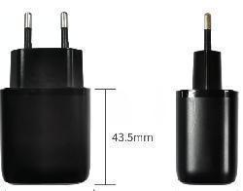 | QC3.0Wcharger 1. Input: 100V-265V 2. Output: USB A: 5V3A 9V2A 12V1.5A | 3. Material: ABS 4. Size:65*42.5*29.5mm Weight:47g 5.Certificates and Report: CE,FCC,ROHS 6.Available plugs:US/CN/UK/AU/EU 7.Standard Color: Black ,white 8.Package Contents: 1*charger 9.Packing Informations: White Box Size: 8*3.5*12.5CM QTY/CTN: 200 pcs N.W: 9Kg G.W.: 13Kg Measurements: 51.5*37*41.5CM 20'GP: 396CTN/59200PCS 40'GP: 690CTN/138000PCS 40'HC: 828CTN/165600PCS | 3K

 |  |  |  | 5K

 |  |  |  | 10K

L0020 | 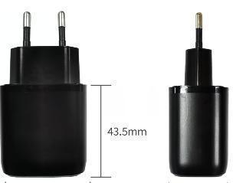 Special Version | QC3.0Wcharger 1. Input: 100V-265V 2. Output: USB A: 5V3A 9V2A 12V1.5A | 3. Material: ABS 4. Size:65*42.5*29.5mm Weight:47g 5.Certificates and Report: CE,FCC,ROHS 6.Available plugs:US/CN/UK/AU/EU 7.Standard Color: Black ,white 8.Package Contents: 1*charger 9.Packing Informations: White Box Size: 8*3.5*12.5CM QTY/CTN: 200 pcs N.W: 9Kg G.W.: 13Kg Measurements: 51.5*37*41.5CM 20'GP: 396CTN/59200PCS 40'GP: 690CTN/138000PCS 40'HC: 828CTN/165600PCS | 3K

 |  |  |  | 5K

 |  |  |  | 10K

LG0019 | 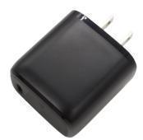 | PD18W charger 1. Input: 100V-265V 2. Output: Type C : 5V3A 9V2A 12V1.5A | 3. Material: ABS 4. Size:65*42.5*29.5mm Weight:47g 5.Certificates and Report: CE,FCC,ROHS 6.Available plugs:US/CN/UK/AU/EU 7.Standard Color: Black ,white 8.Package Contents: 1*charger 9.Packing Informations: White Box Size: 8*3.5*12.5CM QTY/CTN: 200 pcs N.W: 9Kg G.W.: 13Kg Measurements: 51.5*37*41.5CM 20'GP: 396CTN/59200PCS 40'GP: 690CTN/138000PCS 40'HC: 828CTN/165600PCS | 3K

 |  |  |  | 5K

 |  |  |  | 10K

LG2004 | 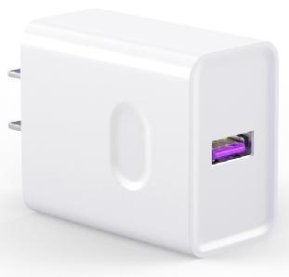 | Super 22.5W charger 1. Input: 100V-265V 2. Output: USBA:5V 4.5A/4.5V 5A/9V2.4A/12V1.7A | 3. Material: PC 4. Size:65*38*27mm Weight:50g 5.Certificates and Report: CE,FCC,ROHS 6.Available plugs:US/CN/UK/AU/EU 7.Standard Color: Black ,white 8.Package Contents: 1*charger 9.Packing Informations: White Box Size: 8*3.5*12.5CM QTY/CTN: 200 pcs N.W: 15Kg G.W.: 16Kg Measurements: 51.5*37*41.5CM 20'GP: 396CTN/59200PCS 40'GP: 690CTN/138000PCS 40'HC: 828CTN/165600PCS | 3K

 |  |  |  | 5K

 |  |  |  | 10K

LG2004B | Special Version | Super 22.5W charger 1. Input: 100V-265V 2. Output: USBA:5V 4.5A/4.5V 5A/9V2.4A/12V1.7A | 3. Material: PC 4. Size:65*38*27mm Weight:50g 5.Certificates and Report: CE,FCC,ROHS 6.Available plugs:US/CN/UK/AU/EU 7.Standard Color: Black ,white 8.Package Contents: 1*charger 9.Packing Informations: White Box Size: 8*3.5*12.5CM QTY/CTN: 200 pcs N.W: 15Kg G.W.: 16Kg Measurements: 51.5*37*41.5CM 20'GP: 396CTN/59200PCS 40'GP: 690CTN/138000PCS 40'HC: 828CTN/165600PCS | 3K

 |  |  |  | 5K

 |  |  |  | 10K

LG2005 | 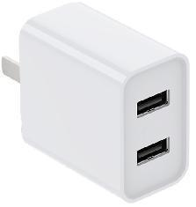 | 2USB charger 1. Input: 100V-240V 2. Output: USB1/2:5V2.4A | 3. Material: PC 4. Size: 50*42*24mm Weight:50g 5.Certificates and Report: CE,FCC,ROHS 6.Available plugs:US/CN 7.Standard Color: Black ,white 8.Package Contents: 1*charger 9.Packing Informations: White Box Size: 8*3.5*12.5CM QTY/CTN: 200 pcs N.W: 15Kg G.W.: 16Kg Measurements: 51.5*37*41.5CM 20'GP: 396CTN/59200PCS 40'GP: 690CTN/138000PCS 40'HC: 828CTN/165600PCS | 3K

 |  |  |  | 5K

 |  |  |  | 10K

LG3015 ZQ-W0038 | 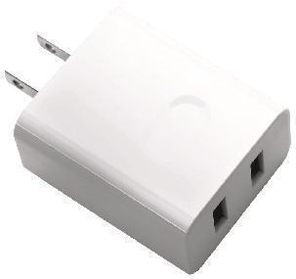 | 2USB charger 1. Input: 100V-240V 2. Output: 3.4A /17W USB1: 5V 2.4A USB2: 5V 1A | 3. Material: PC+ABS 4. Size: 50*42*24mm Weight:50g 5.Certificates and Report: CE,FCC,ROHS ,ETL 6.Available plugs:US/CN/UK/AU/EU 7.Standard Color: Black ,white 8.Package Contents: 1*charger 9.Packing Informations: White Box Size: 8*3.5*12.5CM QTY/CTN: 200 pcs N.W: 15Kg G.W.: 16Kg Measurements: 51.5*37*41.5CM 20'GP: 396CTN/59200PCS 40'GP: 690CTN/138000PCS 40'HC: 828CTN/165600PCS | 3K

 |  |  |  | 5K

 |  |  |  | 10K

LG3015 ZQ-W0040 | 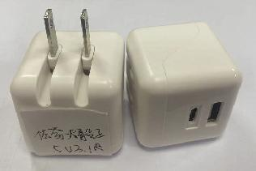 | 2USB charger 1. Input: 100V-240V 2. Output: 3.4A /17W USB1: 5V 2.4A USB2: 5V 1A | 3. Material: PC+ABS 4. Size: 50*42*24mm Weight:50g 5.Certificates and Report: CE,FCC,ROHS ,ETL 6.Available plugs:US/CN/UK/AU/EU 7.Standard Color: Black ,white 8.Package Contents: 1*charger 9.Packing Informations: White Box Size: 8*3.5*12.5CM QTY/CTN: 200 pcs N.W: 15Kg G.W.: 16Kg Measurements: 51.5*37*41.5CM 20'GP: 396CTN/59200PCS 40'GP: 690CTN/138000PCS 40'HC: 828CTN/165600PCS | 3K

 |  |  |  | 5K

 |  |  |  | 10K

LG3015 ZQ-W0039 | 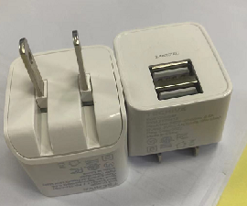 | 2USB charger 1. Input: 100V-240V 2. Output: USB1/2:5V2.4A | 3. Material: PC+ABS 4. Size: 50*42*24mm Weight:50g 5.Certificates and Report: CE,FCC,ROHS ,ETL 6.Available plugs:US/CN/UK/AU/EU 7.Standard Color: Black ,white 8.Package Contents: 1*charger 9.Packing Informations: White Box Size: 8*3.5*12.5CM QTY/CTN: 200 pcs N.W: 15Kg G.W.: 16Kg Measurements: 51.5*37*41.5CM 20'GP: 396CTN/59200PCS 40'GP: 690CTN/138000PCS 40'HC: 828CTN/165600PCS | 3K

 |  |  |  | 5K

 |  |  |  | 10K

L209E | 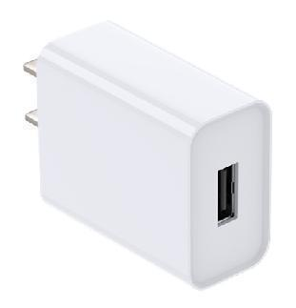 | 1USB charger 1. Input: 100V-240V 2. Output: USB1: 5V 2.1A | 3. Material: PC 4. Size: 65*38*22mm Weight:36g 5.Certificates and Report: CE,FCC,ROHS 6.Available plugs: US/CN 7.Standard Color: Black ,white 8.Package Contents: 1*charger 9.Packing Informations: White Box Size: 8*3.5*12.5CM QTY/CTN: 200 pcs N.W: 7.2Kg G.W.: 12.8Kg Measurements: 51.5*37*41.5CM 20'GP: 396CTN/59200PCS 40'GP: 690CTN/138000PCS 40'HC: 828CTN/165600PCS | 3K

 |  |  |  | 5K

 |  |  |  | 10K

L0022 | Special Version | 30W charger 1. Input: 100V-265V 2. Output: USB 1: 5V3A 9V2A 12V1.5A USB2/3/4: 5V 3A | 3. Material: ABS 4. Size:91*45*26mm Weight:63g 5.Certificates and Report: CE,FCC,ROHS 6.Available plugs:US/CN/EU 7.Standard Color: Black ,white 8.Package Contents: 1*charger 9.Packing Informations: White Box Size: 8*3.5*12.5CM QTY/CTN: 200 pcs N.W: 9Kg G.W.: 13Kg Measurements: 51.5*37*41.5CM 20'GP: 396CTN/59200PCS 40'GP: 690CTN/138000PCS 40'HC: 828CTN/165600PCS | 3K

 |  |  |  | 5K

 |  |  |  | 10K

LW003 | 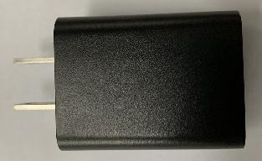 | 1USB charger 1. Input: 100V-240V 2. Output: 5V 1A | 3. Material: ABS 4. Size:60*24*24.2mm Weight:29g 5.Certificates and Report: CE,FCC,ROHS 6.Available plugs:US/CN/EU 7.Standard Color: Black ,white 8.Package Contents: 1*charger 9.Packing Informations: White Box Size: 8*3.5*12.5CM QTY/CTN: 200 pcs N.W: 6Kg G.W.: 11.5Kg Measurements: 51.5*37*41.5CM 20'GP: 396CTN/59200PCS 40'GP: 690CTN/138000PCS 40'HC: 828CTN/165600PCS | 3K

 |  |  |  | 5K

 |  |  |  | 10K

LG2018 | 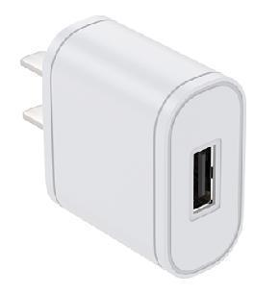 | 1USB charger 1. Input: 100V-240V 2. Output: 5V 1A | 3. Material: PC 4. Size:40*35*20mm Weight:25g 5.Certificates and Report: CE,FCC,ROHS ，CCC 6.Available plugs:US/CN/EU 7.Standard Color: Black ,white 8.Package Contents: 1*charger 9.Packing Informations: White Box Size: 8*3.5*12.5CM QTY/CTN: 200 pcs N.W: 5Kg G.W.: 10.5Kg Measurements: 51.5*37*41.5CM 20'GP: 396CTN/59200PCS 40'GP: 690CTN/138000PCS 40'HC: 828CTN/165600PCS | 3K

 |  |  |  | 5K

 |  |  |  | 10K

wall Charger 1
DongGuan Zuoqi Electronic Co. Ltd Address：No.15,Mingzhu 2nd,Shebei Village, Huangjiang Town，Dongguan City， Guangdong Province, China Contact:Mr.Linn Yu(Sales Manager) Mobile/Whatsapp: +86 18188893786 Email/Skype:sales@chinazuoqi.com http://www.chinazuoqi.com/

 |  |  |  | RATE:

Model #: | Reference Picture | Ports | Technical Specifications | MOQ | USD | RMB
CH20-PD | 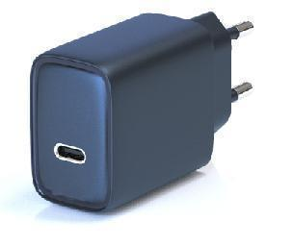 | 20W 1C | 1. I input: 100~240V AC 50/60 Hz 2. Output. TYPE-C PD3.0 5V/3A 9V/2.22A 12V/1.67A Total: 20W(Max) Total output: 20W(MAX) 3. Color: White/Black 4. Size: 27.0*45*41mm 5.Plug: US/CN/EU/AU/UK Featured features. Compatible with PPS USB-C interface metal decorative parts Certification done: CE / FCC / UKCA | 3K
CH20-PQ | 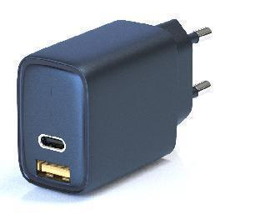 | 20W 1C1A | 1. I input: 100~240V AC 50/60Hz 2. Output. TYPE-C PD3.0 5V/3A 9V/2.22A 12V/1.67A USB-A QC 3.0 5V/3A 9V/2A 12V/1.5A TYPE-C&USB-A：5V/3.0A Total: 20W(Max) 3. Color: White/Black 4. Size: 27.0*45*41mm 5.Plug: US/CN/EU/AU/UK Compatible with PPS USB-C interface metal decorative parts Certification done: CE / FCC / UKCA | 3K
CH33-PD |  | 33W 1C | 1. Input: 100~240V AC 50/60Hz 2. Output. TYPE--C 5V/3A 9V/3A 15V2A PD3.0 /QC 4+ PPS Total output: 33W(MAX) Color: White/Black 4. Size: 27.0*45*41mm 5.Plug: US/CN/EU/AU/UK Compatible with PPS TYPE-C interface metal decorative parts Has done certification: CE/ROHS/FCC/UKCA | 3K
CH33-PQ |  | 33W 1C1A | 1. Input: 100~240V AC 50/60Hz 2. Output. TYPE-C 5V/3A 9V/3A 15V2A PD3.0 /QC 4+ PPS USB-A 5V/3A /9V/2A 12V/1.5A QC 3.0 SCP USB-C &USB-A : 5V/3.4A Total output: 33W(MAX) 3. Color: White/Black 4. Size: 27.0*45*41mm 5.Plug: US/CN/EU/AU/UK Compatible with PPS TYPE-C interface metal decorative parts Has done certification: CE/ROHS/FCC/UKCA | 3K
CH33L-PQ | 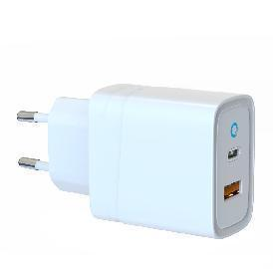 | 33W 1C1A | 1. Input: 100~240V AC 50/60Hz 2. Output. TYPE-C 5V/3A 9V/3A 15V2A PD3.0 /QC 4+ PPS USB-A 5V/3A /9V/2A 12V/1.5A QC 3.0 SCP Total output: 33W(MAX) 3. Color: White/Black 4. Size: 29.5*45*46mm 5.Plug: US/CN/EU/AU/UK Features: Ice blue LED indicator light US standard folding pins USB-C interface metal decorative parts dual-port independent fast charging Certification: CB/CE / FCC | 3K
CH40L-CC | 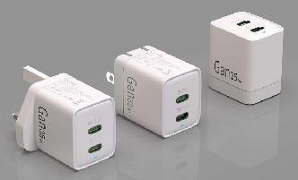 | 40W2C | 1.Input: 100~240V AC 50/60Hz 2.Output. C1/C2 single port use output: 40W C1&C2:(20W+20W) 5.Plug: US/CN/EU/AU/UK | 3K
CH45L-CC | 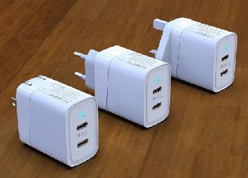 | 47W2C | Input: 100~240V AC 50/60Hz Output. TYPE-C /C2 5V/3A 9V/3A 15V3A 20V/2.25A USB-C1+C2 27W+20W PD3.0 /QC 4+ PPS Total output: 47W(MAX) Color: White/Black Dimension: 27.0*45*51mm Featured Features. 5.Plug: US/CN/EU/AU/UK Two-hole blind USB-C interface metal decorative parts Ice blue LED power on indicator | 3K
CH65BGL-PQ | 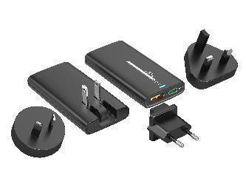 | 65W1C1A | 1.Input: 100~240V AC 50/60 Hz 2. Output: TYPE-C1 5V/3A,9V/3A,12V/3A,15/3A,20V/3.25A USB-A: 5V/3A 9V/3A 12V/3A 20V/2.25A USB A+TYPE-C 45W +10.5W 3. Color: black/white 4. Size: 88*45*14.2*13.5mm Shell can be made bright surface with grain surface Features. | 3K
CH65G-PQ | 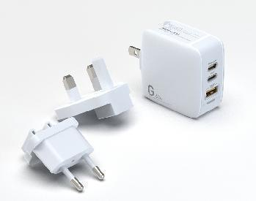 | 65W2C1A | 1. Input: 110-240V 2. Output. TYPE-C1 5V/3A,9V/3A,12V/3A,15/3A,20V/3.25A TYPE-C2 5V/3A,9V/2.22A,12V/1.67A USB-A :5V/3A 9V/2A 12V1.5A C1+(C2/A):45W+20W C1+(C2+A):45W+15W(5/3A) 3. Color: white 4. Size: 53*52*31mm 5.Plug: US/CN/EU/AU/UK * Appearance patent * Multi-country conversion plug Have done certification: CB /CE/FCC | 3K
CH65G-PQ Three-port independent fast charging |  | 65W2C1A | Charging technologies. PD 3.0/PPS/QC2.0/QC3.0/QC4+/SCP/FCP/AFC/BC1.2 USB ports:3 Ports (Total output 65W) Single port output: Type-C1:65W PD3.0 5-15V 3A / 20V 3.25A, Type-C2:65W PD3.0 5-15V 3A / 20V 3.25A USB-A:36W QC3.0 5-12V 3A/15V 2.4A Dual port simultaneous output Dual Type-C TYPE-C1: 30W PD3.0 DC5-9V 3A / 12V 2.5A / 15V2A TYPE-C2: 30W PD3.0 DC5-9V 3A / 12V 2.5A / 15V2A Type-C+USB-A : TYPE-C1 /C2: 45W PD3.0 DC5-15V 3A / 20V 2.25A USB-A: 18W QC3.0 DC5V 3A / 9V 2A / 12V 1.5A 5.Plug: US/CN/EU/AU/UK Three ports output simultaneously: TYPE-C1:45W PD3.0 DC5-15V 3A/20V 2.25A TYPE-C2:18W PD 3.0 DC5V 3A / 9V 2A / 12V 1.5 A USB-A:18W QC3.0 DC5V 3A / 9V 2A / 12V 1.5 A | 3K

wall Charger 2
DongGuan Zuoqi Electronic Co. Ltd Address：No.15,Mingzhu 2nd,Shebei Village, Huangjiang Town，Dongguan City， Guangdong Province, China Contact:Mr.Linn Yu(Sales Manager) Mobile/Whatsapp: +86 18188893786 Email/Skype:sales@chinazuoqi.com http://www.chinazuoqi.com/

Payment: | 30% Deposit in Advance, 70% Balance Before Shipment by T/T
Incoterm: | FOBShenzhen
MOQ: | 3K pcs (Small Orders are Supported for Initial Orders)

Model #: | Reference Picture | Ports | Technical Specifications | QTY | USD | RMB
PQ1401x |  | 140W1A2C | Input : 100-240V Ouput USB-C1 PD3.1:5V3A/9V3A/12V3A/15V3A/20V5A/28V5A USB-C2:PD3.0:5V3A/9V3A/12V3A/15V3A/20V5A USB-A: 5V4A/4.5V5A/9V3A/12V2.5A/20V1.5A Weight: Size: 73*73*29 Plug: CN,PSE,BSMI,US,EU,KC,+Interchangeable Safety Cet,CCC, UL,FCC,PSE,KC,KCC,CB,CE. Special Technology： The world's first PD3.1 3C accessory charger | 3K

PT1401x | 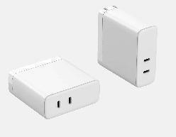 | 140W2C | Input : 100-240V Ouput USB-C1:PD3.1:5V3A/9V3A/12V3A/15V3A/20V5A/28V5A USB-C2:PD3.1:5V3A/9V3A/12V3A/15V3A/20V5A/28V5A Weight: Size: 73*73*29 Plug: : CN,PSE,BSMI,US,EU,KC,+Interchangeable Safety Cet,CCC,UL,FCC, PSE,KC,KCC,CB,CE | 3K

PQ1002x | 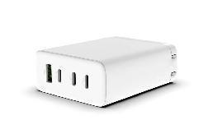 | 100W3C1A | Input : 100-240V Ouput USB-C1/C2:PD3.0:5V3A/9V3A/12V3A/15V3A/20V5A USB-C3:5V3A/9V2.2A/12V1.67A USB-A: QC/SCP/4.5V5A/5V4A/9V3A/12V2.5A/20V1.5A Weight: Size: 75*60*29 Plug: US/JP/TW/EU/KC +Interchangeable Safety Cet,UL,FCC,CB,PSE,KC,KCC | 3K

PQ1004x |  | 100W3C1A(（PFC） ) | Input : 100-240V Ouput USB-C1/C2:PD3.0:5V3A/9V3A/12V3A/15V3A/20V5A USB-C3:5V3A/9V2.2A/12V1.67A USB-A: QC/SCP/4.5V5A/5V4A/9V3A/12V2.5A/20V1.5A Weight: Size: 75*60*29 Plug: CN,UE,UK+Interchangeable Safety Cet,CCC,CE,UKCA | 3K

PQ1005x | 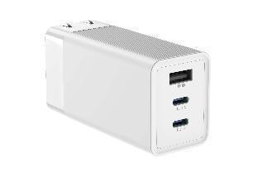 | 100W2C1A | Input : 100-240V Ouput USB-C1/C2:PD3.0:5V3A/9V3A/12V3A/15V3A/20V5A USB-A:5V4A/4.5V5A/9V3A/12V2.5A/20V1.5A Weight: Size: 85*42*32 Plug: : CN,PSE,BSMI,US Safety Cet,CCC, PSE, Special technology：PCBA Transformer | 3K

PN651x | 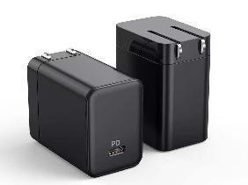 | 65W1C | Input : 100-240V Ouput: PD3.0:5V3A/9V3A/12V3A/15V3A/20V3.25A PPS: 3.3V-11V@5A; Weight: Size: 40*50*29 Plug: US/JP/TW/CN/EU/KC Safety Cet: CCC,UL,FCC,CB,CE,PSE,KC,KCC | 3K

PQ655x | 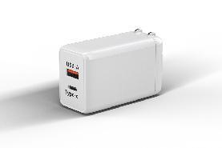 | 65W1A1C | Input : 100-240V Ouput USB-C: PD3.0:5V3A/9V3A/12V3A/15V3A/20V3.25A PPS: 3.3V-11V@3A; USB-A:QC3.0:5V3A,9V2A/12V1.5A C+A:45WPD+18WQC Weight: Size: 41*66*29 Plug: US/JP/TW/CN/EU/KC/UK Safety Cet: CCC,ETL,FCC,CB,CE,PSE,KC,KCC | 3K

PQ655x | 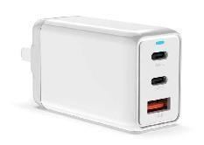 | 65W2C1A | Input : 100-240V Ouput C1/C2: PD3.0:5V3A/9V3A/12V2.5A/15V3A/20V3.25A PPS: 3.3V-11V@5A; USB-A: QC/SCP/4.5V5A/5V4A/9V3A/12V2.5A/20V1.5A C1+(C2+A):45WPD+(5V3A) Weight: Size: 66*41*29 Plug:: US/JP/TW/CN/EU/KC/UK Safety Cet: CCC,ETL,FCC,CB,CE,PSE,KC,KCC | 3K

PQ657x | 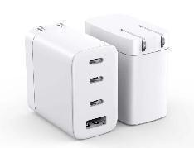 | 65W3C1A | Input : 100-240V Ouput C1/C2: PD3.0:5V3A/9V3A/12V3A/15V3A/20V3.25A PPS: 3.3V-11V@5A; C3: PD3.0:5V3A/9V2.22AA/12V1.67A USB-A: QC/SCP/4.5V5A/5V4A/9V3A/12V2.5A/20V1.5A Weight: Size: 50*50*29 Plug: US/JP/TW/CN/EU/KC+Interchangeable Safety Cet: CCC,ETL,FCC,CB,CE,PSE,KC,KCC | 3K

PN351x | 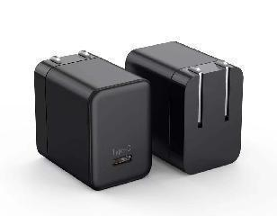 | 35W/1C | 33W GaN 1C Model: PD30W (Type C) Input：100-240Vac，50/60Hz. TYPE C Output: 3.3-11V 3A，5V-3A 9V-3A 12V-2.5A 15V-2A 20V1.5A Size：L=31.75 W=33 H=31.75mm Color:White,Black,OEM Weight: 42g Cert：CCC,ETL,FCC,PSE,CB | 3K

PQ352x | 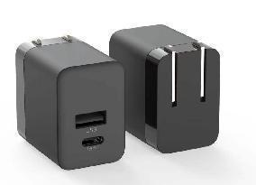 | 35W1A1C | Input : 100-240V Ouput: USB-A:QC/SCP: 4.5V5A/5V4A/9V3A/12V2.5A/20V1.5A USB-C:PD3.0: 5V3A/9V3A/12V2.5A/15V2.33A/20V1.75A PPS: 3.3V-11V@3A; C+A:5V4A Weight: Size: 40*40*29 Plug : US/JP/TW/CN/EU/KC Safety Cet: CCC,CB,CE,PSE | 3K

PT352x | 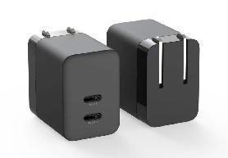 | 35W2C | Input : 100-240V USB-C1/C2 Ouput:PD3.0:5V3A/9V3A/12V2.5A/15V2.33A/20V1.75A PPS: 3.3V-11V@3A; C1+C2 5V4A Weight: Size: 40*40*29 Pin Shape: US/JP/TW/CN/EU/KC Safety Cet: CCC,CB,CE,PSE | 3K

ZQ-33W1C | 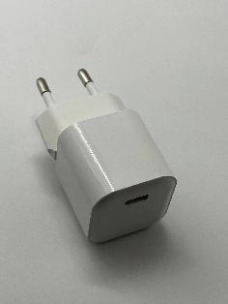 | 33W1C | 33W GaN 1C Model: PD30W (Type C) Input：100-240Vac，50/60Hz. TYPE C Output: 3.3-11V 3A，5V-3A 9V-3A 12V-2.5A 15V-2A 20V1.5A Size：L=31.75 W=33 H=31.75mm Color:White,Black,OEM Weight: 42g Cert：CCC,ETL,FCC,PSE,CB | 3K

LG2004 | 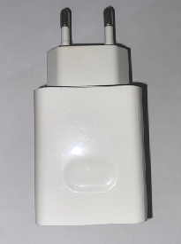 | 22.5W1A | Super 22.5W charger 1. Input: 100V-265V 2. Output: USBA:5V 4.5A/4.5V 5A/9V2.4A/12V1.7A 3. Material: PC+ABS 4. Size: 50*42*24mm Weight:50g 5.Certificates and Report: CE,FCC,ROHS ,ETL 6.Available plugs:US/CN/UK/AU/EU | 3K

wall Charger 3
DongGuan Zuoqi Electronic Co. Ltd Address：No.15,Mingzhu 2nd,Shebei Village, Huangjiang Town，Dongguan City， Guangdong Province, China Contact:Mr.Linn Yu(Sales Manager) Mobile/Whatsapp: +86 18188893786 Email/Skype:sales@chinazuoqi.com http://www.chinazuoqi.com/

 |  |  | P R O D U C T P R I C E L I S T

Payment: | 30% Deposit in Advance, 70% Balance Before Shipment by T/T |  | Sales Manager:Mr.Linn Yu
Incoterm: | FOBShenzhen |  | Mobile/Whatsapp: +86 18188893753 Email:sales2@sales2@dgzuoqi.cn
MOQ: | 3K pcs (Small Orders are Supported for Initial Orders) |  | Date: OCT, 2022 | Validity: Until Next Update rate

Model #: | Reference Picture | Technical Specifications | Color, Contents & Packing List | QTY | USD
DHJ0100 | 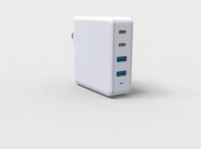 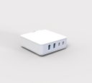 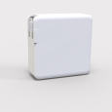 | GAN 100W charger 1. Input: 100V-265V 2. Output: USB-C1/C2: 5V 3A , 9V 3A , 12V 3A , 15V 3A , 20V 5A USB-A 1/A2: 4.5V/5A, 5V/4.5A, 9V/3A, 12V/2.5A, 20V/1.5A 30W MAX Simultaneous use of output: C1+C2 : 65W + 30W； C1+A1 : 65W + 30W ； C1+A2 : 65W + 30W ；C1+A1+A2 : 65W + 7.5W +7.5W ； C2+A1 :65W + 30W ；C2+A2 :65W + 30W ；C2+A1+A2 : 65W + 7.5W +7.5W ； C1+C2+A1 : 45W +30W +18W ； C1+C2+A2 : 45W +30W +18W ；C1+C2+A1+A2 : 45W +30W +7.5W+7.5W | 3. Material: PC 4. Size: 75*75*28mm Weight:200g 5.Certificates and Report: CE,FCC,ROHS 6.Available plugs:EU/UK/AU/KC 7.Standard Color: Black ,white 8.Package Contents: 1*charger 9.Packing Informations: White Box Size: 9.5*3*9.5CM QTY/CTN: 90 pcs N.W: 18Kg G.W.: 20.75 Kg Measurements: 30*30*31.5CM 20'GP: 1421CTN/17890PCS 40'GP: 1960CTN/176400PCS 40'HC: 2240CTN/201600PCS | 3K

 |  |  |  | 5K

 |  |  |  | 10K

DHJ0065-C | 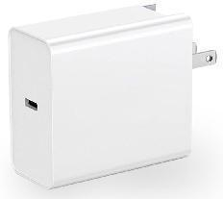 | GAN 65W charger 1. Input: 100V-265V 2. Output: Type C:5V3A /9V 3A /12V 3A /15V 3A /20V 3.25A | 3. Material: PC 4. Size: 60*60*29mm Weight:106g 5.Certificates and Report: CE,FCC,ROHS 6.Available plugs:EU/UK/AU/KC 7.Standard Color: Black ,white 8.Package Contents: 1*charger 9.Packing Informations: White Box Size: 9.5*3*9.5CM QTY/CTN: 90 pcs N.W: 9.54Kg G.W.: 12.3 Kg Measurements: 30*30*31.5CM 20'GP: 1421CTN/17890PCS 40'GP: 1960CTN/176400PCS 40'HC: 2240CTN/201600PCS | 3K

 |  |  |  | 5K

 |  |  |  | 10K

DHJ0065-C+A | 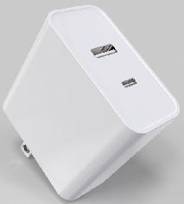 | GAN 65W charger 1. Input: 100V-265V 2. Output: Type C : 5V3A /9V 3A /12V 3A /15V 3A /20V 3.25A max USB A: 18W max Simultaneous use of output: A+C=18W +45W | 3. Material: PC 4. Size: 60*60*29mm Weight:110g 5.Certificates and Report: CE,FCC,ROHS 6.Available plugs:EU/UK/AU/KC 7.Standard Color: Black ,white 8.Package Contents: 1*charger 9.Packing Informations: White Box Size: 9.5*3*9.5CM QTY/CTN: 90 pcs N.W: 9.9Kg G.W.: 12.7 Kg Measurements: 30*30*31.5CM 20'GP: 1421CTN/17890PCS 40'GP: 1960CTN/176400PCS 40'HC: 2240CTN/201600PCS | 3K

 |  |  |  | 5K

 |  |  |  | 10K

DHJ0065-CC+A | 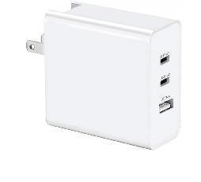 | GAN 65W charger 1. Input: 100V-265V 2. Output: USB-C1 output: 3.3V-11V/3A, 5V/3A, 9V/3A, 12V/3A, 15V/3A, 20V/3.25A (MAX) USB-C2 output: 3.3V-11V/2.7A, 5V/3A, 9V/3A, 12V/2.5A, 15V/2A, 20V/1.5A (MAX) USB-A port output: 4.5V/5A, 5V/4.5A, 9V/3A, 12V/2.5A, 20V/1.5A (MAX) Simultaneous use of output: C1+C2=45W+18W, C1+USB A =45W+18W, C2+USB-A = 5V 3A, C1+C2+USBA = 45W+15W | 3. Material: PC 4. Size: 60*60*29mm Weight:130g 5.Certificates and Report: CE,FCC,ROHS 6.Available plugs:EU/UK/AU/KC 7.Standard Color: Black ,white 8.Package Contents: 1*charger 9.Packing Informations: White Box Size: 9.5*3*9.5CM QTY/CTN: 90 pcs N.W: 11.7Kg G.W.: 14.5 Kg Measurements: 30*30*31.5CM 20'GP: 1421CTN/17890PCS 40'GP: 1960CTN/176400PCS 40'HC: 2240CTN/201600PCS | 3K

 |  |  |  | 5K

 |  |  |  | 10K

LG3033# | 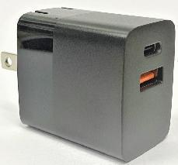 | PD30W charger 1. Input: 100V-265V 2. Output: Type C : 5V3A 9V3A 12V2.5A 15V2A 20V1.5A USB-A : QC 5V3A 9V2A 12V1.5A A+C simultaneous use: 5V4.5A | 3. Material: ABS 4. Size: 53*40*28mm Weight:45g 5.Certificates and Report: CE,FCC,ROHS 6.Available plugs:US/CN 7.Standard Color: Black ,white 8.Package Contents: 1*charger 9.Packing Informations: White Box Size: 8*3.5*12.5CM QTY/CTN: 200 pcs N.W: 9Kg G.W.: 12.5Kg Measurements: 51.5*37*41.5CM 20'GP: 396CTN/59200PCS 40'GP: 690CTN/138000PCS 40'HC: 828CTN/165600PCS | 3K

 |  |  |  | 5K

 |  |  |  | 10K

LG3017# | 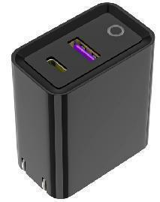 | 30W charger 1. Input: 100V-265V 2. Output: USB:4.5V 5A /5V 4.5A 10V 2.25A 12V 1.5A Type C: 5V 3A 9V 2.22A /12V 1.5A A+C working together:5V 4.5A | 3. Material: ABS 4. Size:60*55*32mm Weight:65g 5.Certificates and Report: CE,FCC,ROHS 6.Available plugs:US/CN 7.Standard Color: Black ,white 8.Package Contents: 1*charger 9.Packing Informations: White Box Size: 8*3.5*12.5CM QTY/CTN: 200 pcs N.W: 13Kg G.W.: 16Kg Measurements: 51.5*37*41.5CM 20'GP: 396CTN/59200PCS 40'GP: 690CTN/138000PCS 40'HC: 828CTN/165600PCS | 3K

 |  |  |  | 5K

 |  |  |  | 10K

LG3028E1 | 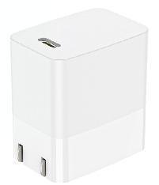 | PD20W charger 1. Input: 100V-265V 2. Output: Type C : 5V3A 9V2.22A 12V1.5A | 3. Material: ABS 4. Size:60*55*32mm Weight:45g 5.Certificates and Report: CE,FCC,ROHS 6.Available plugs:US/CN 7.Standard Color: Black ,white 8.Package Contents: 1*charger 9.Packing Informations: White Box Size: 8*3.5*12.5CM QTY/CTN: 200 pcs N.W: 9Kg G.W.: 13Kg Measurements: 51.5*37*41.5CM 20'GP: 396CTN/59200PCS 40'GP: 690CTN/138000PCS 40'HC: 828CTN/165600PCS | 3K

 |  |  |  | 5K

 |  |  |  | 10K

LG3028E2 | 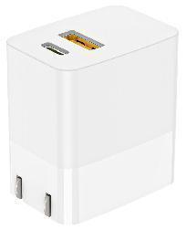 | PD20W charger 1. Input: 100V-265V 2. Output: Type C : 5V3A 9V2.22A 12V1.5A USB A: 5V3A 9V2A 12V1.5A A+C simultaneous use: 5V3A total | 3. Material: ABS 4. Size:60*55*32mm Weight:45g 5.Certificates and Report: CE,FCC,ROHS 6.Available plugs:US/CN 7.Standard Color: Black ,white 8.Package Contents: 1*charger 9.Packing Informations: White Box Size: 8*3.5*12.5CM QTY/CTN: 200 pcs N.W: 9Kg G.W.: 13Kg Measurements: 51.5*37*41.5CM 20'GP: 396CTN/59200PCS 40'GP: 690CTN/138000PCS 40'HC: 828CTN/165600PCS | 3K

 |  |  |  | 5K

 |  |  |  | 10K

 | 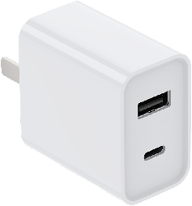 | PD20W charger 1. Input: 100V-265V 2. Output: Type C : 5V3A 9V2.22A 12V1.5A USB A: 5V3A 9V2A 12V1.5A A+C simultaneous use: 5V3A total | 3. Material: ABS 4. Size:46.5*26*43mm Weight:45g 5.Certificates and Report: CE,FCC,ROHS 6.Available plugs:US/CN 7.Standard Color: Black ,white 8.Package Contents: 1*charger 9.Packing Informations: White Box Size: 8*3.5*12.5CM QTY/CTN: 200 pcs N.W: 9Kg G.W.: 13Kg Measurements: 51.5*37*41.5CM 20'GP: 396CTN/59200PCS 40'GP: 690CTN/138000PCS 40'HC: 828CTN/165600PCS | 3K

 |  |  |  | 5K

 |  |  |  | 10K

LG3028 |  | PD20W charger 1. Input: 100V-265V 2. Output: Type C : 5V3A 9V2.22A 12V1.5A | 3. Material: ABS 4. Size:65*42.5*29.5mm Weight:47g 5.Certificates and Report: CE,FCC,ROHS 6.Available plugs:US/CN/UK/AU/EU 7.Standard Color: Black ,white 8.Package Contents: 1*charger 9.Packing Informations: White Box Size: 8*3.5*12.5CM QTY/CTN: 200 pcs N.W: 9Kg G.W.: 13Kg Measurements: 51.5*37*41.5CM 20'GP: 396CTN/59200PCS 40'GP: 690CTN/138000PCS 40'HC: 828CTN/165600PCS | 3K

 |  |  |  | 5K

 |  |  |  | 10K

LG3028AC | 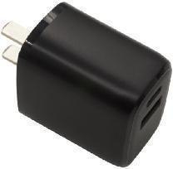 | PD20W charger 1. Input: 100V-265V 2. Output: Type C : 5V3A 9V2.22A 12V1.5A USB A: 5V3A 9V2A 12V1.5A A+C simultaneous use: 5V3A total | 3. Material: ABS 4. Size:65*42.5*29.5mm Weight:47g 5.Certificates and Report: CE,FCC,ROHS 6.Available plugs:US/CN/UK/AU/EU 7.Standard Color: Black ,white 8.Package Contents: 1*charger 9.Packing Informations: White Box Size: 8*3.5*12.5CM QTY/CTN: 200 pcs N.W: 9Kg G.W.: 13Kg Measurements: 51.5*37*41.5CM 20'GP: 396CTN/59200PCS 40'GP: 690CTN/138000PCS 40'HC: 828CTN/165600PCS | 3K

 |  |  |  | 5K

 |  |  |  | 10K

LG3028E0 | 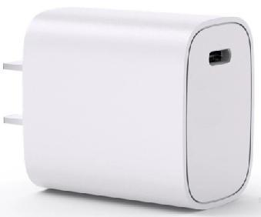 | PD20W charger 1. Input: 100V-265V 2. Output: Type C : 5V3A 9V2.22A 12V1.5A | 3. Material: ABS 4. Size:30*30*42MM Weight:40g 5.Certificates and Report: CE,FCC,ROHS 6.Available plugs:US/CN/UK/AU/EU 7.Standard Color: Black ,white 8.Package Contents: 1*charger 9.Packing Informations: White Box Size: 8*3.5*12.5CM QTY/CTN: 200 pcs N.W: 8Kg G.W.: 12.5Kg Measurements: 51.5*37*41.5CM 20'GP: 396CTN/59200PCS 40'GP: 690CTN/138000PCS 40'HC: 828CTN/165600PCS | 3K

 |  |  |  | 5K

 |  |  |  | 10K

LG3028E3 | 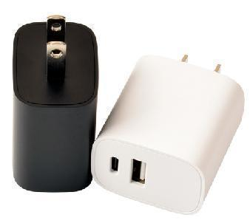 | PD20W charger 1. Input: 100V-265V 2. Output: Type C : 5V3A 9V2.22A 12V1.5A USB A: 5V3A 9V2A 12V1.5A A+C simultaneous use: 5V3A total | 3. Material: ABS 4. Size:30*30*42MM Weight:43g 5.Certificates and Report: CE,FCC,ROHS 6.Available plugs:US/CN/UK/AU/EU 7.Standard Color: Black ,white 8.Package Contents: 1*charger 9.Packing Informations: White Box Size: 8*3.5*12.5CM QTY/CTN: 200 pcs N.W: 9Kg G.W.: 13Kg Measurements: 51.5*37*41.5CM 20'GP: 396CTN/59200PCS 40'GP: 690CTN/138000PCS 40'HC: 828CTN/165600PCS | 3K

 |  |  |  | 5K

 |  |  |  | 10K

car charger
DongGuan Zuoqi Electronic Co. Ltd Address：No.15,Mingzhu 2nd,Shebei Village, Huangjiang Town，Dongguan City， Guangdong Province, China Contact:Mr.Linn Yu(Sales Manager) Mobile/Whatsapp: +86 18188893786 Email/Skype:sales@chinazuoqi.com http://www.chinazuoqi.com/

 |  |  |  | RATE: 6.64

Model #: | Reference Picture | Ports | Technical Specifications | QTY | USD | RMB
LG0020 | 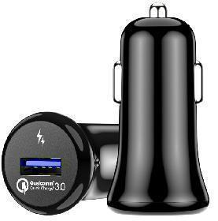 | USBC x 1 (18W) | QC3.0 car charger 1. Input: 12-24V 2. Output: USB A: 5V3A 9V2A 12V1.5A 3. Material: ABS 4. Size:50mm*22mm*22mm Weight:15g 5.Certificates and Report: CE,FCC,ROHS Qualcomm 3.0 certification | 3K
TYPE-C001 | 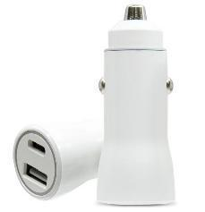 | USBC x 1 (20W) | car charger 1. Input: 12-24V 2. Output: USB A: 5V3A 9V2.22A 12V1.67A 3. Material: ABS 4. Size:50mm*22mm*22mm Weight:15g 5.Certificates and Report: CE,FCC,ROHS | 3K
EK003 | 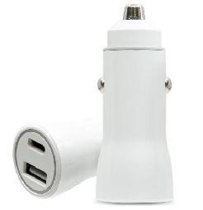 | QC18W+PD20WTotal 20W | car charger 1. Input: 12-24V 2. Output:18W /6A max USB1: 5V 3A /9V 2A/12V 1.5A Type C :PD18W 5.Certificates and Report: CE,FCC,ROHS | 3K
EK002 |  | QC18W+PD18WTotal 36W | car charger 1. Input: 12-24V 2. Output:18W /6A max USB1: 5V 3A /9V 2A/12V 1.5A Type C :PD18W 5.Certificates and Report: CE,FCC,ROHS | 3K
CC003 |  | PD18W+PD18WTotal 36W | car charger 1. Input: 12-24V 2. Output:18W /6A max Type C1/C2 :PD18W 5.Certificates and Report: CE,FCC,ROHS | 3K
ZQ-CC30W | 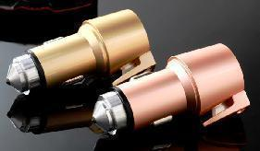 | USBC x 1 (30W) | 30W1C 1. Material: Zinc Alloy 2. Size: 68*33*26mm Weight:75g 3.Certificates and Report: CE,FCC,ROHS 4.Function: charging+sealt belt cutter +hammer | 3K
ZQ-CC35W |  | USBC x 1 (35W) | 35W1C 1. Material: Zinc Alloy 2. Size: 68*33*26mm Weight:78g 3.Certificates and Report: CE,FCC,ROHS 4.Function: charging+sealt belt cutter +hammer | 3K | $4.50 | ￥31.50
ZQ-CC45W |  | USBC x 1 (45W) | 45W1C 1. Material: Zinc Alloy 2. Size: 68*33*26mm Weight:80g 3.Certificates and Report: CE,FCC,ROHS 4.Function: charging+sealt belt cutter +hammer | 3K | $5.90 | ￥41.30
ZQ-CC36W |  | USBC x 1 (18W) + USBA x 1 (18W) | A+C 36W charger 1. Input: 12-24V 2. Output:18W /6A max USB1: 5V 3A /9V 2A/12V 1.5A Type C :PD18W 3. Material: Zinc Alloy 4. Size: 68mm*38mm*32mm Weight:80g 5.Certificates and Report: CE,FCC,ROHS 6.Function: charging+sealt belt cutter +hammer | 3K | $3.80 | ￥26.60
ZQ-CC38W |  | USBC x 1 (20W) + USBA x 1 (18W) | A+C 38W charger 1. Input: 12-24V 2. Output:18W /6A max USB1: 5V 3A /9V 2A/12V 1.5A Type C :PD18W 3. Material: Zinc Alloy 4. Size: 68mm*38mm*32mm Weight:80g 5.Certificates and Report: CE,FCC,ROHS 6.Function: charging+sealt belt cutter +hammer | 3K
ZQ-CC30W1A1C | 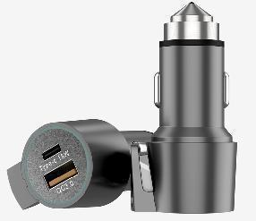 | USBC x 1 (30W) + USBA x 1 (18W) | A+C 1. Material: Zinc Alloy 2. Size: 68*33*26mm Weight:80g 3.Certificates and Report: CE,FCC,ROHS 4.Function: charging+sealt belt cutter +hammer | 3K
ZQ-CC35W1A1C |  | USBC x 1 (35W) + USBA x 1 (18W) | A+C 1. Material: Zinc Alloy 2. Size: 68*33*26mm Weight:80g 3.Certificates and Report: CE,FCC,ROHS 4.Function: charging+sealt belt cutter +hammer | 3K
ZQ-CC45W1A1C |  | USBC x 1 (45W) + USBA x 1 (18W) | A+C 1. Material: Zinc Alloy 2. Size: 68*33*26mm Weight:80g 3.Certificates and Report: CE,FCC,ROHS 4.Function: charging+sealt belt cutter +hammer | 3K

desktop chargers
DongGuan Zuoqi Electronic Co. Ltd Address：No.15,Mingzhu 2nd,Shebei Village, Huangjiang Town，Dongguan City， Guangdong Province, China Contact:Mr.Linn Yu(Sales Manager) Mobile/Whatsapp: +86 18188893786 Email/Skype:sales2@dgzuoqi.cn

Payment: | 30% Deposit in Advance, 70% Balance Before Shipment by T/T
Incoterm: | FOBShenzhen
MOQ: | 3K pcs (Small Orders are Supported for Initial Orders)

Model #: | Reference Picture | Technical Specifications | QTY | FOB shenzhen
ZQ-215D1 | 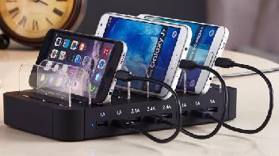 | 8 USB charger 60W 1. Input: 100V-240V 2. Output: USB1/2/3/4/5/6/7/8： 5V2.4A max total: 12A max | 3K | $14.20

 |  |  | 5K | $14.15

 |  |  | 10K | $14.10

ZQ-116L |  | 5USB+3*Type C charger 1. Input: 100V-240V 2. Output: 60W USB1/TypeC1： 5V3A/9V2A/12V1.5A others： 5V2.7A Max | 3K | $14.24

 |  |  | 5K | $14.03

 |  |  | 10K | $13.93

PQ1006D |  | Input : 100-240V Ouput /100W/4C1A/1W/PFC USB-C1/C2:PD3.0:5V3A/9V3A/12V3A/15V3A/20V5A USB-C3:5V3A/9V2.2A/12V1.67A USB-A1/A2:4.5V5A/5V4A/9V3A/12V2.5A/20V1.5A Wireless charger:15W Weight: Size: 120*83*30 Interface: Class II:C8, Safety Cet,CCC,CE,FCC | 3K | $26.80

 |  |  | 5K | $26.70

 |  |  | 10K | $26.60

